Sales Q1
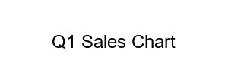
Product | Sales
Widget A | 100
Widget B | 150

Forecast Q2
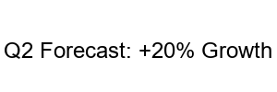
Projected Sales
Widget A | 120
Widget B | 180

